GB2
Calculation sheet for Gamma Blocker 2 (Dump Line section)

Property | Value | Unit | Formula | Description | Comments
F_lifting | 1093.77 | N |  | Force applied on the chain required to move the GB core from closed to open position
F_holding | 724.09 | N |  | Force required to hold the GB core in Open position
F_fallingU | -190.78 | N |  | Force required to hold the GB core near Open position at max allowable speed (47mm/s) | On power down, the GB core falling speed will stabilize in a range between 8 and 47mm/s, thus ensuring required delay before beamline/core intersection
F_fallingUmin | 112.49 | N |  | Force required to hold the GB core near Open position at regular operiation speed (12,75mm/s)
F_fallingL | 256.72 | N |  | Force required to hold the GB core near closed position
V_nominal | 12.75 | mm/s |  | GB core speed during regular operation
V_critical | 46.67 | mm/s |  | maximum GB core speed in dealy time during failsafe operation
L_travel | 382.5 | mm |  | Total travel of GB core
L_res | 70 | mm |  | GB core travel during intersection delay time
t_travel | 30 | s |  | maximum time for position change
t_res | 1.5 | s |  | delay between indication of motion and GB core/beamline intersection
D_core | 375 | mm |  | GB core diameter
D_beamline | 250 | mm |  | beamline pipe diameter
F_g | 627.84 | N |  | unbalanced gravity force
m | 64 | kg |  | unbalanced moving mass (core+core holder rod + assembly accesories on carriage) | core=44,5kg, rod=18kg, accesories=1,5kg,
g | 9.81 | m/s^2 |  | gravity acceleration constant
F_su | 31.50 | N |  | Bellow spring force in max length | VACOM welded bellow, diaphragm DN63, 65/108mm, 316L steel | DN63 bellow options
F_sd | 64.75 | N |  | Bellow spring force in min length |  | diaphragm size | 65/90 | 60/88 | 65/108
SRz | 35 | N/mm |  | single diaphragm spring rate |  | SRz | 95 | 80 | 35
L_1min | 0.8 | mm |  | single diaphragm compressed length |  | L_1min | 0.5 | 0.55 | 0.8
L_1free | 2.65 | mm |  | single diaphragm free length |  | L_1free | 2.4 | 2.7 | 2.65
L_1stroke | 2.75 | mm |  | single diaphragm stroke |  | L_1stroke | 2.8 | 2.8 | 2.75
EA | 63.2 | cm^2 |  | Bellow efective area (for vacuum force) |  | EA | 49 | 45.1 | 63.2
N_conv | 145 |  |  | number of bellow convolutions |  | N_conv | 145 | 145 | 145
L_max | 514.75 | mm |  | Bellow maximum length (w/o end fittings) |  | L_max | 478.5 | 485.75 | 514.75
L_free | 384.25 | mm |  | Bellow free length (w/o end fittings) |  | L_free | 348 | 391.5 | 384.25
L_min | 116 | mm |  | Bellow minimum length (w/o end fittings) |  | L_min | 72.5 | 79.75 | 116
L_maxtravel | 398.75 | mm |  | Bellow maximum travel |  | L_maxtravel | 406 | 406 | 398.75
F_fg | 33.98 | N |  | Linear guide friction | NTN-SNR linear guide: LGBXH 20 FL 1 SS L 00400 N Z1-1-0-20 N | F_su+F_sd | 266 | 224 | 96.25
F_fseal | 7.8 | N |  | friction from carriage sealing | manufacturer data
F_fpreload | 16.8 | N |  | friction from preload | manufacturer data
m_carriage | 0.003 |  |  | tension coefficient of carriage | for assumed load distribution
M_load | 95.79 | Nm |  | Load torque on carriage
L_carriage | 61.3 | mm |  | length of ball-suported part of linear guide carriage
R_d | 75 | mm |  | distance between linear guide symmetry line and hydraulic damper rack pitch line
R_f | 37.5 | mm |  | distance between linear guide and chain symmetry lines
F_fc | 63.7 | N |  | Roller chain friction losses
m | 0.05 |  |  | friction coefficient
F_vac | 646.5 | N |  | Force from vacuum on a bellow
Dp | 0.1023 | Mpa |  | pressure difference
F_dt | 177.18 | N |  | Force from stepper motor detent torque:
M_R | 1.5 | Nm |  | Stepper motor continous torque | Phytron VSH-80.200.5-S3
M_dt | 0.12 | Nm |  | Stepper motor detent torque
i | 38.33 |  |  | reduction ratio | Phytron VGPL105, 2 stages
h | 0.85 |  |  | reductor efficiency
M_RR | 48.87 | Nm |  | Torque on reductor shaft
F_RR | 1600.1 | N |  | maximum driving force on the chain
D_pc | 61.084 | mm |  | roller chain sprocket pitch diameter | chain size 08B-2, T=15
DR | 0.68 |  |  | Load to drive ratio
 | 152.80 | rpm |  | Stepper motor rotation speed required at normal operation:
F_hd | 640.00 | N |  | Force from hydraulic damper | see table and diagram -> | FDT-70 torque vs. Speed
n_hd | 3 |  |  | number of dampers in parallel action |  | rotation speed [rpm] | 2.5 | 3.25 | 11.88 | 20 | 50
M_hd | 8 | Nm |  | damper torque at power down (@11,9 rpm) | see table and diagram -> | torque [Nm] | 3 | 3.4 | 8 | 8.7 | 10
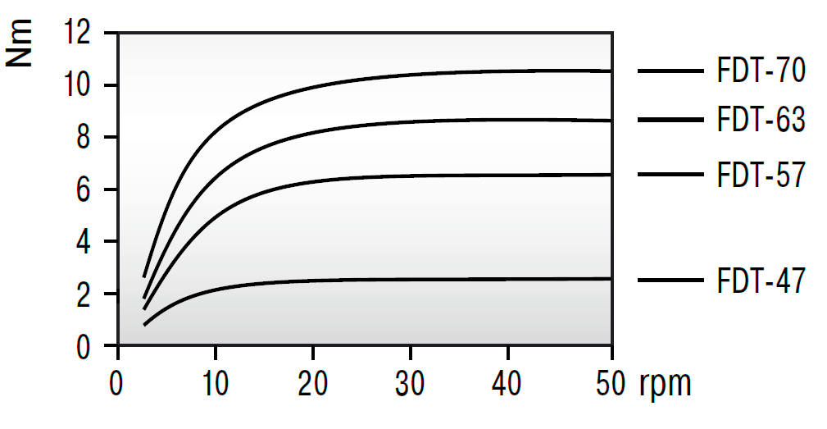
F_hdmin | 271.98294243 | N |  | minimum force from damper (@3,25rpm) | see table and diagram ->
F_hdmax | 800.00 | N |  | maximum force from damper (@max speed) | see table and diagram ->
D_pr | 75 | mm |  | Pinion gear pitch diameter:
M | 2.5 |  |  | Pinion gear module
Z | 30 |  |  | Pinion gear teeth number
 | 3.25 | rpm |  | Rotary damper rotation speed at normal operation (12,75mm/s)
 | 11.88 | rpm |  | Rotary damper rotation speed at power down (47mm/s)

